Overview
AP322
System Administration Configuration

?

 | Step | Description | Required / Optional | Owner | Complete Date | Managed by | Approval | Comments
 | 1 | Setup Incompatibilities | Required | ASCP |  | NBTY IT

Setup Incompatibilities
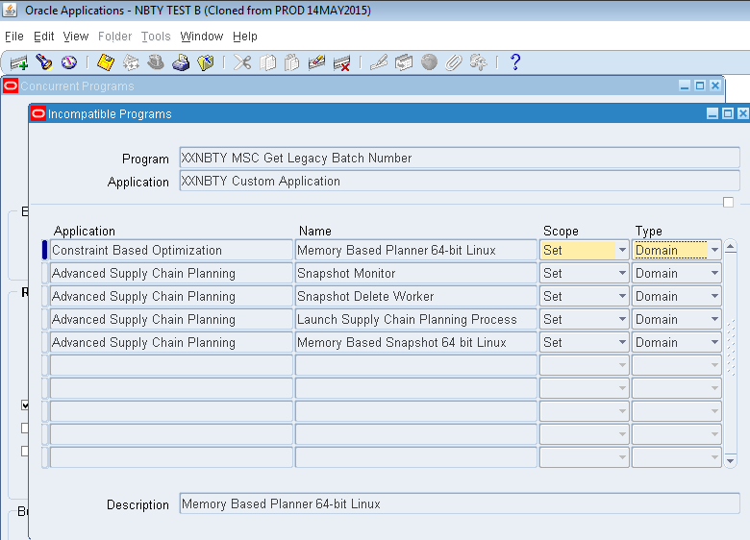
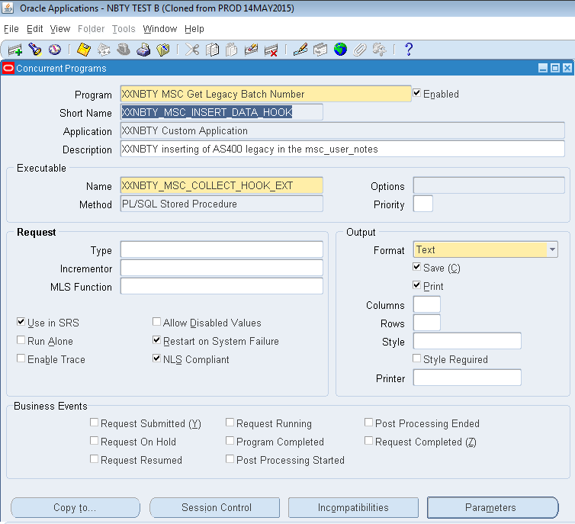
Navigation | System Administrator > Concurrent > Program > Define Press the Incompatibilties Button
Program | XXNBTY MSC Get Legacy Batch Number
Short Name | XXNBTY_MSC_INSERT_DATA_HOOK

Incompatibilities
Application | Name | Scope | Type
Constraint Based Optimization | Memory Based Planner 64-bit Linux | Set | Domain
Advanced Supply Chain Planning | Snapshot Monitor | Set | Domain
Advanced Supply Chain Planning | Snapshot Delete Worker | Set | Domain
Advanced Supply Chain Planning | Launch Supply Chain Planning Process | Set | Domain
Advanced Supply Chain Planning | Memory Based Snapshot 64 bit Linux | Set | Domain

